Sheet1
 |  | Document No. | Issue No. | Issue Date |  | Review and Replace Date |  | Authorised By
 |  | GFF293MC | 2 | 12.04.2021 |  | 28.12.2021
 |  | Document Title | 20 Chicken Tikka Samosa Large 1500g
 |  |  |  |  |  |  |  | Magda Shah
Document amendments reason for change |  | Film Updated | Page 1 of 1 |  | Previous Issue Date |  | 12.04.2021 | Uncontrolled copy unless signed original

CCSAM-B20T | GAZEBO |  | 20 Chicken Tikka Samosa Large 1500g
STEP 1 |  |  |  |  | STEP 2
 |  |  |  |  | 

Tray: H320/100-CLEAR (554) (PKNUT001-06) |  |  |  |  | Chicken Tikka Samosa Large 75g (GFF004R): 20 Pieces (1500g)
Film: S340AF(PE) 340mmX510m (PKPRO001-17)
STEP 3
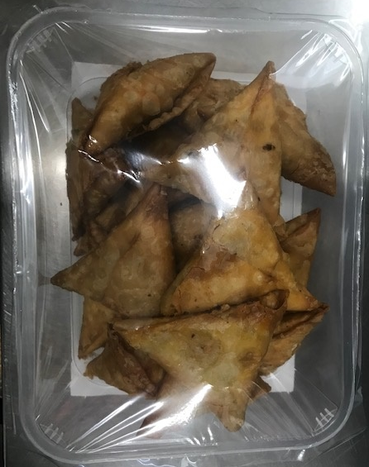

TOTAL WEIGHT: 1500g

ALLERGY ALERT: WHEAT, SOYA

